workflow para file
[OPSYS_SPRINT2.WF:wkf_Load_FDR_RetroFile_OPSYS]
$PMMergeSessParamFile=TRUE
$$EmailUserName=opsys-qa-support@lists.salliemae.com
$$EmailSubject=OPSYS_SPRINT2 - FDR Retro File Load Delayed
$$EmailText=The Workflow $PMWorkflowName in $PMIntegrationServiceName/$PMFolderName is running for more than 2 hours
$$RetroFile=$PMSessionLogDir/$PMFolderName/ftp_data/FDRM.retro
$$RetroFile_bkp=$PMSessionLogDir/$PMFolderName/Backup/FDRM.retro
$$WaitFDRRetroFile=$PMSessionLogDir/$PMFolderName/ftp_data/FDRM.retro
$$FDRRetroDoneFile=$PMSessionLogDir/$PMFolderName/TgtFiles/RetroF_Done.txt

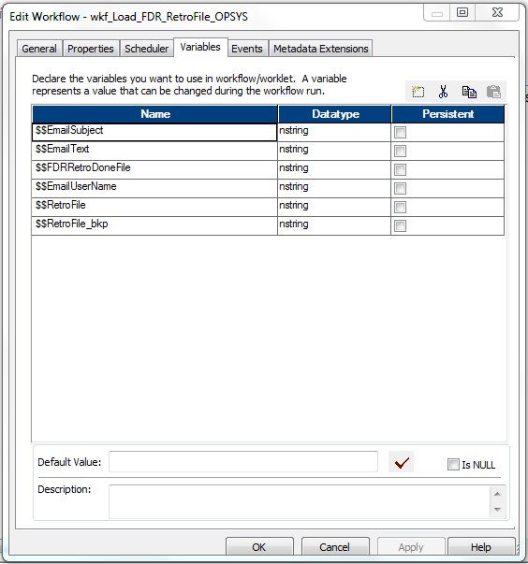

[OPSYS_SPRINT2.WF:wkf_ORA_GATHER_SCHEMA_STATS]
$PMMergeSessParamFile=TRUE
$$StatsDoneFile=$PMSessionLogDir/$PMFolderName/TgtFiles/Stats_Done.txt

[OPSYS_SPRINT2.WF:wkf_s_m_Load_FDRMMBT_OPSYS]
$PMMergeSessParamFile=TRUE
$$EmailUserName=opsys-qa-support@lists.salliemae.com
$$EmailSubject=OPSYS_SPRINT2 - MMBT File Load Delayed
$$EmailText=The Workflow $PMWorkflowName in $PMIntegrationServiceName/$PMFolderName is running for more than 2 hours
$$FDRMMBTDoneFile=$PMSessionLogDir/$PMFolderName/TgtFiles/FDRMMBT_Done.txt
$$loanmmbFile=$PMSessionLogDir/$PMFolderName/ftp_data/FDRM.loanmmbfile
$$loanmmbFileDone=$PMSessionLogDir/$PMFolderName/ftp_data/FDRM.loanmmbfile.end
$$loanmmbFile_bkp=$PMSessionLogDir/$PMFolderName/Backup/FDRM.loanmmbfile

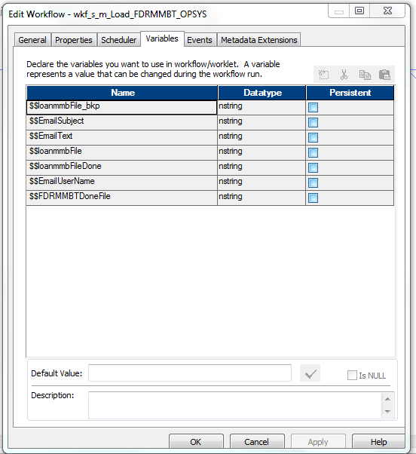

Problem Description
A PowerCenter workflow with a session is configured with a parameter file in the session properties and the workflow properties. When running the workflow, the session parameter file is ignored and the workflow parameter file is used.

Cause
By default, when you define a workflow parameter file and a session parameter file for a session within the workflow, the Integration Service uses the workflow parameter file, and ignores the session parameter file.

Solution
You can force the workflow to use both the workflow parameter file and session parameter file by adding the following to the workflow section of the workflow parameter file:
$PMMergeSessParamFile=TRUE
This must be set for the section defined for the workflow in the workflow parameter file.
Example
[DEV_FOLDER.wf_workflow]
$PMMergeSessParamFile=TRUE
Note
If you define the same parameter or variable in both the session and workflow parameter files, the Integration Service sets parameter and variable values according to the following rules:
• | When a parameter or variable is defined in the same section of the workflow and session parameter files, the Integration Service uses the value in the workflow parameter file.
• | When a parameter or variable is defined in both the session section of the session parameter file and the workflow section of the workflow parameter file, the Integration Service uses the value in the session parameter file.
)

SP Conn Transformation
In ports are all parameters to the stored procedure.

PORTS:

PROPERTIES:
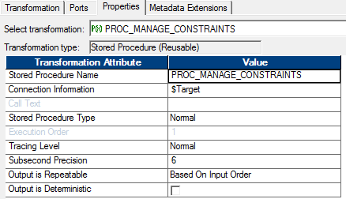

A second example: the input parameter is only a table name.

SQL Trans Script Mode
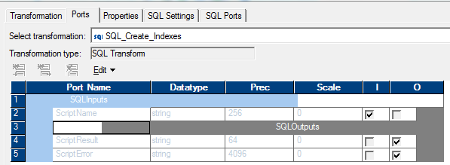
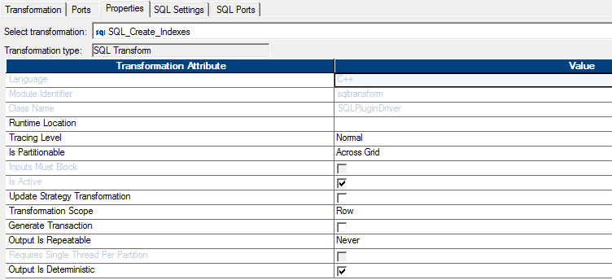
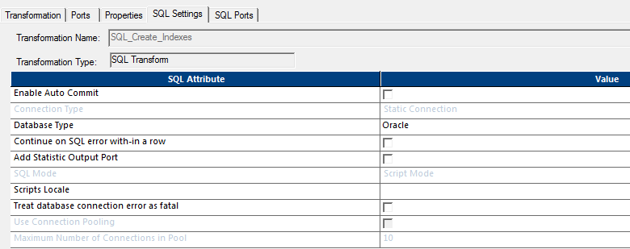
input records to SQL transformation are .sql files

$PMSourceFileDir/$PMFolderName/SQL/ff_FDRMMBT_Alter_Session.sql
$PMSourceFileDir/$PMFolderName/SQL/ff_FDRMMBT_Index_DDL.sql

